FX
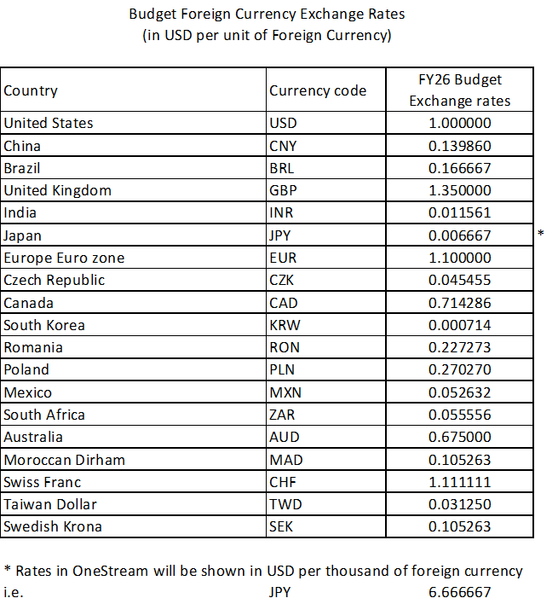
 | USD per local currency | USD per local currency | Local currency per USD
 | FY24 Budget | FY25 Budget
KRWT | 0.75200 | 0.71400 | 1.40056 | ¥1,400.56
 |  | In:KRW'000

HC info
PLEASE UPDATE
No. | Type | Dept. | Dept. | Name | Position | Location
1 | K01 | Eng. | RGM10 | KH Jeong | Appliacation Engineer | Seoul
2 |  |  |  | SH Park | Appliacation Engineer | Gyeongsan
3 | K01-1 |  |  | DS Park | Program Manager | Gyeongsan
4 | K02 | Sales |  | EH Kim | Sales Director | Gyeongsan
5 | K03 | Quality |  | YS Kwak | Quality Engineer | Gyeongsan
6 | K04 | HR.Admin |  | Jeonghee Park | HR Supervisor | Seoul
7 | K05 | Operation |  | WS Ryu | Managing Director | Gyeongsan
8 | K06 | SD |  | SY Chun | Sr. SD & Quality Manager | Seoul
9 |  |  |  | HS Park | SD Manager | Seoul

